0829_BLK-200_T-6
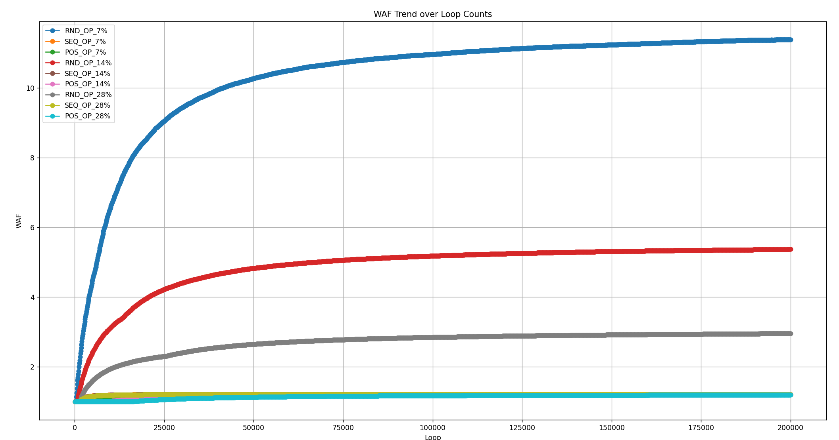
Define | Numbers | OP_SIZE | CALC | START | END | HOST_WRITE_RANGE | USED_VB | SPARE_VB | WAF_SEQ | WAF_RND | WAF_POS | GC_SEQ | GC_RND | GC_POS | WL_SEQ | WL_RND | WL_POS | 預估 WAF
TOTAL_DIES | 4 | 7 | 6728.97 | 0 | 6728 | 6729 | 187 | 13 | 1.213004 | 11.3844 | 1.208811 | 0 0 | N: 29558 S: 49945 | 0 0 | 79656 | 11598 | 1200 | 7 | 27.714285714
BLOCKS_PER_DIE | 200 | 14 | 6315.79 | 0 | 6315 | 6316 | 176 | 24 | 1.211602 | 5.370831 | 1.204391 | 0 0 | N: 9503 S: 49842 | 0 0 | 74274 | 5366 | 1175 | 18 | 10.777777778
PAGES_PER_BLOCK | 9 | 28 | 5625.00 | 0 | 5624 | 5625 | 157 | 43 | 1.210851 | 2.956785 | 1.197763 | 0 0 | N: 0 S: 41386 | 0 0 | 65924 | 2846 | 1135 | 37 | 5.2432432432
TOTAL_VB_PAGES | 36
TOTAL_PAGES | 7200
TRIGGER_GC_VB (Segmental) | 6
Urgent_GC (Normal) | 3

0829_BLK-200_T-9
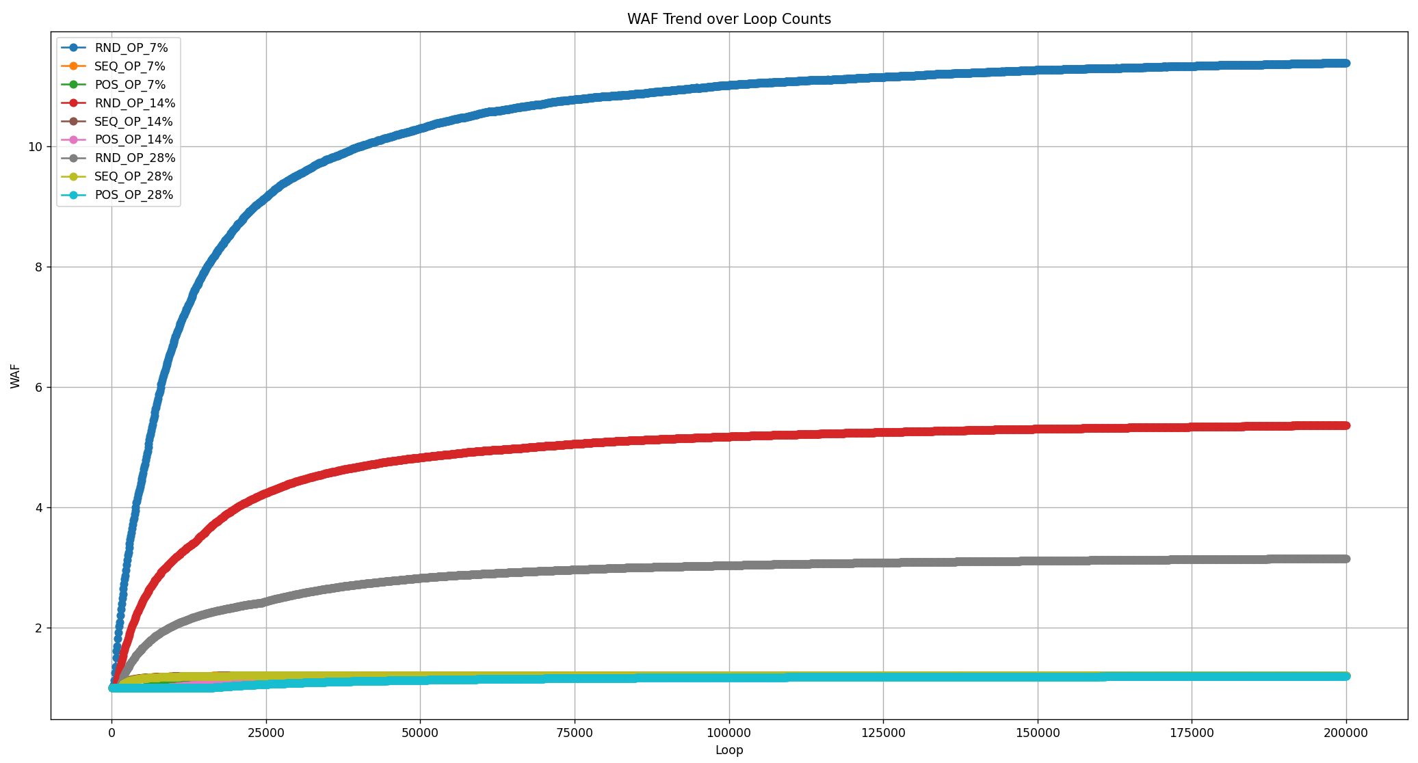
 |  |  |  |  |  |  |  |  |  | WAF |  |  | GC |  |  | WL
Define | Numbers | OP_SIZE | CALC | START | END | HOST_WRITE_RANGE | USED_VB | SPARE_VB | WAF_SEQ | WAF_RND | WAF_POS | GC_SEQ | GC_RND | GC_POS | WL_SEQ | WL_RND | WL_POS | 預估 WAF
TOTAL_DIES | 4 | 7 | 6728.97 | 0 | 6728 | 6729 | 187 | 13 | 1.213004 | 11.38691 | 1.208811 | 0 0 | N: 29571 S: 49972 | 0 0 | 79656 | 11630 | 1200 | 4 | 47.75
BLOCKS_PER_DIE | 200 | 14 | 6315.79 | 0 | 6315 | 6316 | 176 | 24 | 1.211602 | 5.369333 | 1.204391 | 0 0 | N: 9500 S: 49869 | 0 0 | 74274 | 5362 | 1175 | 15 | 12.733333333
PAGES_PER_BLOCK | 9 | 28 | 5625.00 | 0 | 5624 | 5625 | 157 | 43 | 1.210851 | 3.151922 | 1.197763 | 0 0 | N: 0 S: 45494 | 0 0 | 65924 | 3044 | 1135 | 34 | 5.6176470588
TOTAL_VB_PAGES | 36
TOTAL_PAGES | 7200
TRIGGER_GC_VB (Segmental) | 9
Urgent_GC (Normal) | 3

0829_BLK-2000_T-9
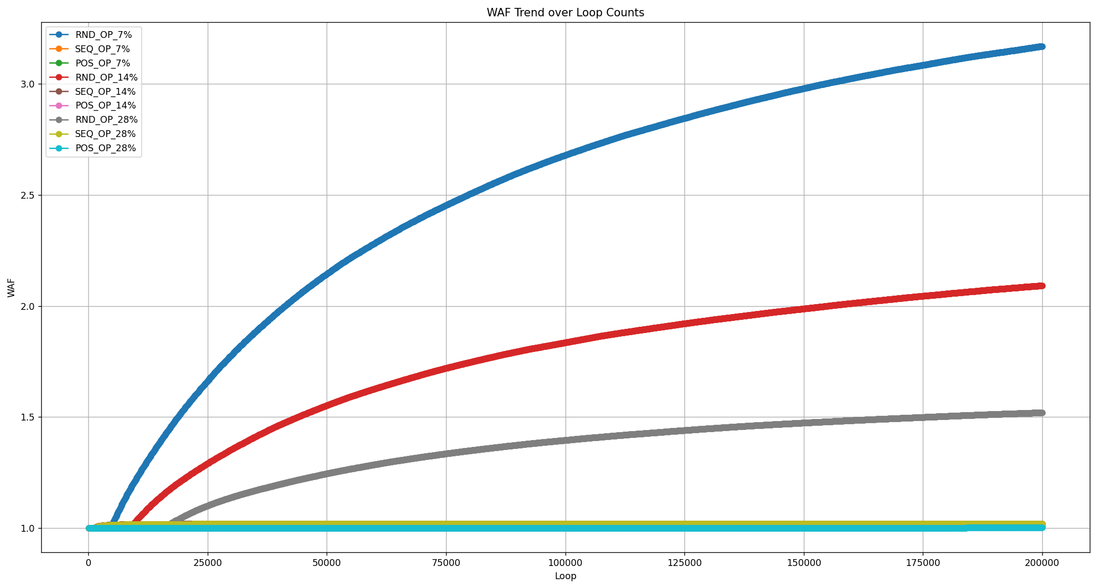
Define | Numbers | OP_SIZE | CALC | START | END | HOST_WRITE_RANGE | USED_VB | SPARE_VB | WAF_SEQ | WAF_RND | WAF_POS | GC_SEQ | GC_RND | GC_POS | WL_SEQ | WL_RND | WL_POS | 預估 WAF
TOTAL_DIES | 4 | 7 | 67289.72 | 0 | 67289 | 67290 | 1870 | 130 | 1.020004 | 3.168148 | 1.011579 | 0 0 | N: 5370 S: 48913 | 0 0 | 74817 | 267 | 86 | 121 | 16.454545455
BLOCKS_PER_DIE | 2000 | 14 | 63157.89 | 0 | 63157 | 63158 | 1755 | 245 | 1.019998 | 2.091501 | 1.008615 | 0 0 | N: 0 S: 35595 | 0 0 | 70201 | 69 | 63 | 236 | 8.436440678
PAGES_PER_BLOCK | 9 | 28 | 56250.00 | 0 | 56249 | 56250 | 1563 | 437 | 1.019985 | 1.520773 | 1.003368 | 0 0 | N: 0 S: 16681 | 0 0 | 62484 | 0 | 24 | 428 | 4.6518691589
TOTAL_VB_PAGES | 36
TOTAL_PAGES | 7200
TRIGGER_GC_VB (Segmental) | 9
Urgent_GC (Normal) | 3

0801_BLK-200_T-9
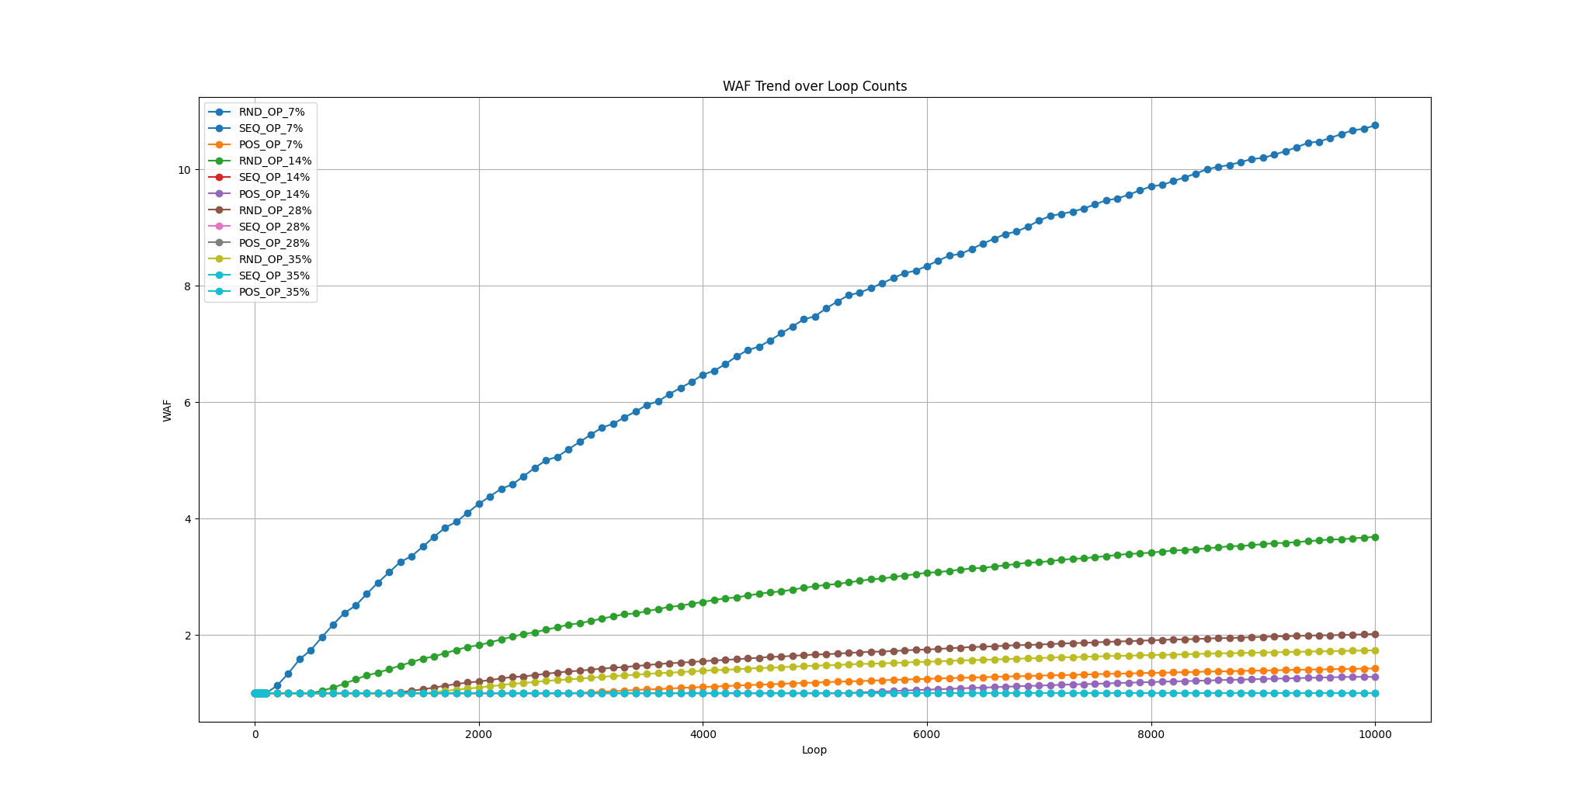
Define | Numbers | OP_SIZE | CALC | START | END | HOST_WRITE_RANGE | USED_VB | SPARE_VB | TRIGGER_GC_VB | WAF_SEQ | WAF_RND | WAF_POS
TOTAL_DIES | 4 | 7 | 6728.9719626 | 0 | 6728 | 6729 | 187 | 13 | 9 | 1 | 10.66242 | 1.427965
BLOCKS_PER_DIE | 200 | 14 | 6315.7894737 | 0 | 6315 | 6316 | 176 | 24 | 9 | 1 | 3.707141 | 1.284102
PAGES_PER_BLOCK | 9 | 28 | 5625 | 0 | 5624 | 5625 | 157 | 43 | 9 | 1 | 2.017728 | 1
TOTAL_VB_PAGES | 36 | 35 | 5333.3333333 | 0 | 5333 | 5334 | 149 | 51 | 9 | 1 | 1.738994 | 1
TOTAL_PAGES | 7200

